K-12 Music
K-12 Performing Arts - Music

Comparison of Averages |  |  |  |  | Total Score | Task Scores |  |  | Task 1 Rubrics |  |  |  |  | Task 2 Rubrics |  |  |  |  | Task 3 Rubrics
 |  |  |  |  |  | Task 1 | Task 2 | Task 3 | 1 | 2 | 3 | 4 | 5 | 6 | 7 | 8 | 9 | 10 | 11 | 12 | 13 | 14 | 15
 |  |  |  | SFA Avg. MUSIC | 41.4 | 13.7 | 13.8 | 13.6 | 2.8 | 2.7 | 2.9 | 2.6 | 2.7 | 3 | 2.9 | 2.7 | 2.8 | 2.4 | 2.9 | 3 | 2.5 | 2.6 | 2.6
 |  |  |  | SFA Avg. DANCE | 40.5 | 14 | 15 | 11.25 | 3 | 3 | 3 | 3 | 2 | 3 | 3 | 3 | 3.25 | 2.75 | 2 | 2 | 2.5 | 3 | 1.75
 |  |  |  | SFA Avg. THEATRE | 43.7 | 14.4 | 14.4 | 15.3 | 2.9 | 2.9 | 2.9 | 2.9 | 2.9 | 3 | 3 | 2.9 | 2.9 | 2.6 | 2.8 | 3.5 | 2.7 | 2.8 | 3
 |  |  |  | Texas Avg. | 41.7 | 14 | 13.9 | 13.8 | 2.9 | 2.8 | 2.9 | 2.8 | 2.6 | 3 | 2.9 | 2.7 | 2.9 | 2.5 | 2.8 | 3.1 | 2.5 | 2.6 | 2.8
 |  |  |  | National Avg. | 43.8 | 14.8 | 14.2 | 14.8 | 3 | 2.9 | 3.1 | 2.9 | 2.9 | 3 | 2.9 | 2.7 | 2.9 | 2.7 | 3 | 3.2 | 2.7 | 2.9 | 3

Summary- Music | 40 candidates submitted a portfolio. 35(88% of submitted) were successful on their first submission. Average Total Score: 41.4 (National Average: 43.8) ● Range: 37-49 ● 88% scored 37 or above (set cut scores from other states range from 35 to 41; 37 is the most common cut score) Average Rubric Score: 2.7 5(12.5% of submitted) did not submit a scorable portfolio on their first attempt; 100% of candidates submitted a scorable portfolio on their 2nd attempt. 2 candidates did not submit a portfolio.

KEY: |  | Submission was Successfull |  |  | Submission was unsuccessful/condition code was received |  |  |  |  | Total Score is below average set cut score in other states |  |  |  |  | Rubric Score of 2/2.5 was received (Rubrics are scored on a scale of 1-5 with 2 being the second lowest possible score) |  |  |  |  | Rubric Score of 1/1.5 was received (Rubrics are scored on a scale of 1-5 with 1 being the lowest possible score)

Candidate Scores- Music | Score Date | Candidate Name | Gender | Ethnicity | Total Score | Task Scores |  |  | Task 1 Rubrics |  |  |  |  | Task 2 Rubrics |  |  |  |  | Task 3 Rubrics
 |  |  |  |  |  | Task 1 | Task 2 | Task 3 | 1 | 2 | 3 | 4 | 5 | 6 | 7 | 8 | 9 | 10 | 11 | 12 | 13 | 14 | 15
 | 2022-04-14 | Alanis, Bryan Sebastain | M | Hispanic/Latino | 32 | 10.5 | 12.5 | 9 | 2 | 2.5 | 2 | 2 | 2 | 3 | 2.5 | 2 | 3 | 2 | 1.5 | 2 | 1.5 | 2 | 2
 | 2022-04-14 | Autin, Tyler Allen | M | White | 43 | 15 | 15 | 13 | 3 | 3 | 3 | 3 | 3 | 3 | 3 | 3 | 3 | 3 | 3 | 3 | 2 | 3 | 2
 | 2022-04-14 | Aviles-Gutierrez, Mariana | F | Hispanic/Latino | 43 | 15.5 | 15 | 12.5 | 2.5 | 3.5 | 3.5 | 3 | 3 | 3 | 3 | 3 | 3 | 3 | 3 | 3 | 2 | 2 | 2.5
 |  | Ayala, Abigail Skyler
 | 2022-04-14 | Bruner, Amanda June | F | White | I | 13 | 13 | I | 3 | 2 | 2 | 2 | 4 | 3 | 3 | 3 | 3 | 1 | G10 | G10 | G10 | G10 | G10
 | 2022-05-26 | Bruner, Amanda June RETAKE |  |  | 39 | 13 | 13 | 13 | 3 | 2 | 2 | 2 | 4 | 3 | 3 | 3 | 3 | 1 | 3 | 2 | 2 | 3 | 3
 | 2022-04-14 | Bury, Casen Donald | M | White | 43 | 16 | 14 | 13 | 3 | 4 | 3 | 3 | 3 | 3 | 3 | 3 | 3 | 2 | 2 | 3 | 2 | 3 | 3
 | 2022-04-14 | Bykowski, Christian | M | White | 41 | 12 | 14.5 | 14.5 | 3 | 1 | 3 | 3 | 2 | 3 | 3 | 2.5 | 3 | 3 | 3 | 3 | 3 | 3 | 2.5
 | 2022-04-14 | Campo, McKenzie Eve | F | White | 45 | 16 | 15 | 14 | 3 | 3 | 4 | 3 | 3 | 3 | 3 | 3 | 3 | 3 | 4 | 4 | 2 | 2 | 2
 | 2022-04-14 | Cantu, Jacob | M | Hispanic/Latino | I | 10 | 12 | I | 2 | 2 | 2 | 2 | 2 | 3 | 3 | 2 | 2 | 2 | G10 | G10 | G10 | G10 | G10
 | 2022-05-26 | Cantu, Jacob RETAKE |  |  | 36 | 10 | 12 | 14 | 2 | 2 | 2 | 2 | 2 | 3 | 3 | 2 | 2 | 2 | 3 | 4 | 3 | E8 | 4
 | 2022-04-14 | Cole, Michaela Dalynn | F | White | 43 | 15 | 15 | 13 | 3 | 3 | 3 | 3 | 3 | 3 | 3 | 3 | 3 | 3 | 3 | 2 | 3 | 3 | 2
 | 2022-04-14 | Cooper, Cheyenne Nycol | F | Black/African Amer | 48 | 16 | 15 | 17 | 3 | 3 | 4 | 3 | 3 | 3 | 3 | 3 | 3 | 3 | 3 | 3 | 4 | 3 | 4
 | 2022-04-14 | Donnelly, Eamonn Padraig | M | White | 36 | 10 | 12 | 14 | 2 | 2 | 2 | 2 | 2 | 3 | 2 | 2 | 3 | 2 | 3 | 3 | 3 | 3 | 2
 | 2022-04-14 | Fishman, Zachary Joseph | M | White | 46 | 17 | 15 | 14 | 3 | 4 | 4 | 3 | 3 | 3 | 3 | 3 | 3 | 3 | 3 | 3 | 2 | 3 | 3
 | 2022-04-14 | Folger, Abigail Alyssa | F | White | I | 11 | 12 | I | 2 | 2 | 3 | 2 | 2 | 3 | 2 | 3 | 2 | 2 | G10 | G10 | G10 | G10 | G10
 | 2022-05-26 | Folger, Abigail Alyssa RETAKE |  |  | 39 | 11 | 12 | 16 | 2 | 2 | 3 | 2 | 2 | 3 | 2 | 3 | 2 | 2 | 3 | 4 | 3 | 3 | 3
 | 2022-04-14 | Funes Hernandez, Maria Jose | F | Hispanic/Latino | 35 | 12 | 12 | 11 | 3 | 2 | 3 | 2.5 | 1.5 | 3 | 2.5 | 2 | 2.5 | 2 | 2 | 2 | 2 | 3 | 2
 | 2022-04-14 | Guerra, Sofia Apolinar | F | Hispanic/Latino | 48 | 17 | 16 | 15 | 3 | 4 | 4 | 3 | 3 | 3 | 4 | 3 | 3 | 3 | 3 | 4 | 2 | 3 | 3
 | 2022-04-14 | Hendrix, Mason Kyle | M | White | 42 | 14 | 14 | 14 | 3 | 2 | 3 | 3 | 3 | 3 | 3 | 2 | 3 | 3 | 3 | 3 | 3 | 3 | 2
 | 2022-04-14 | Herriage, Ryan Kelsie | F | White | 41 | 14 | 15 | 12 | 3 | 2 | 3 | 3 | 3 | 3 | 3 | 3 | 3 | 3 | 3 | 2 | 2 | 3 | 2
 | 2022-04-14 | Jones, Shelby Ann | F | White | 42 | 13 | 13.5 | 15.5 | 2 | 3 | 2.5 | 2.5 | 3 | 3 | 2.5 | 2 | 3 | 3 | 3 | 4 | 2.5 | 3 | 3
 | 2022-04-14 | Kelly, Sarah Aileen | F | White | I | 13 | 13 | I | 3 | 3 | 3 | 2 | 2 | 3 | 2 | 3 | 3 | 2 | G10 | G10 | G10 | G10 | G10
 | 2022-05-26 | Kelly, Sarah Aileen RETAKE |  |  | 42 | 13 | 13 | 16 | 3 | 3 | 3 | 2 | 2 | 3 | 2 | 3 | 3 | 2 | 4 | 3 | 3 | 2 | 4
 | 2022-04-14 | Linscombe, Evan Mitchell | M | White | 43 | 13 | 17 | 13 | 3 | 2 | 3 | 3 | 2 | 4 | 3 | 4 | 3 | 3 | 3 | 3 | 2 | 2 | 3
 | 2022-04-14 | Martinez, Fernando Xavier | M | Hispanic/Latino | 47 | 16 | 14 | 17 | 3 | 4 | 3 | 3 | 3 | 3 | 3 | 3 | 3 | 2 | 3 | 4 | 4 | 3 | 3
 | 2022-04-14 | Mercer, Kristen Michelle | F | White | 48 | 16 | 15 | 17 | 3 | 3 | 4 | 3 | 3 | 3 | 3 | 3 | 3 | 3 | 3 | 4 | 4 | 3 | 3
 | 2022-04-14 | Milton, Rachel Ann | F | White | 46 | 15.5 | 14.5 | 16 | 3 | 3 | 3 | 3 | 3.5 | 3 | 3 | 3 | 2.5 | 3 | 3.5 | 3.5 | 3 | 3 | 3
 | 2022-04-14 | Moore, Gabriella Lucille | F | Hispanic/Latino | 40 | 14 | 14 | 12 | 3 | 3 | 3 | 2 | 3 | 3 | 3 | 3 | 3 | 2 | 2 | 3 | 3 | 2 | 2
 | 2022-04-14 | Palmore, Grace Marie | F | White | 43 | 14 | 15 | 14 | 3 | 2 | 3 | 3 | 3 | 3 | 3 | 3 | 3 | 3 | 3 | 3 | 3 | 3 | 2
 | 2022-04-14 | Palomino, Jonathan Pedro | M | Hispanic/Latino | 38 | 14 | 12 | 12 | 3 | 3 | 2 | 3 | 3 | 2 | 3 | 2 | 3 | 2 | 2 | 4 | 2 | 2 | 2
...
 |  |  |  |  | Break Down of Rubric Scores Received- Music |  |  | Scores | Task 1 Rubrics |  |  |  |  | Task 2 Rubrics
 |  |  |  |  |  |  |  | # of G's

 |  | Music Demographics | Ethnicity | Total | Average Total Score | Successful 1st Attempt | Successful 2nd Attempt
 |  |  | White | 28 (70%) | 41.9 | 25 (89%) | 3 (100%)
 |  |  | Hispanic/Latino | 10 (25%) | 39.7 | 8 (80%) | 2 (100%)
 |  |  | Black/African American | 2 (5%) | 43.0 | 2 (100%)
 |  |  | Asian | 0
 |  |  | 2 or More Races | 0
 |  |  | Male | 20 (50%) | 41.1 | 18 (90%) | 2 (100%)
 |  |  | Female | 20 (50%) | 42.0 | 17 (85%) | 3 (100%)
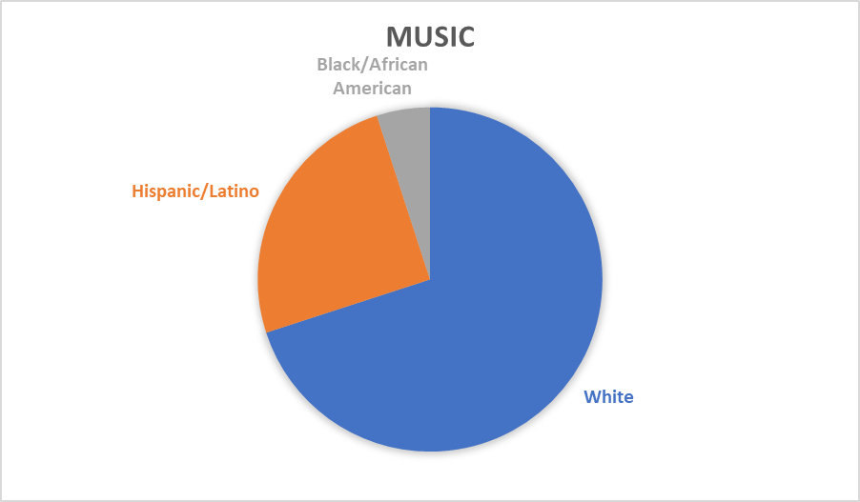
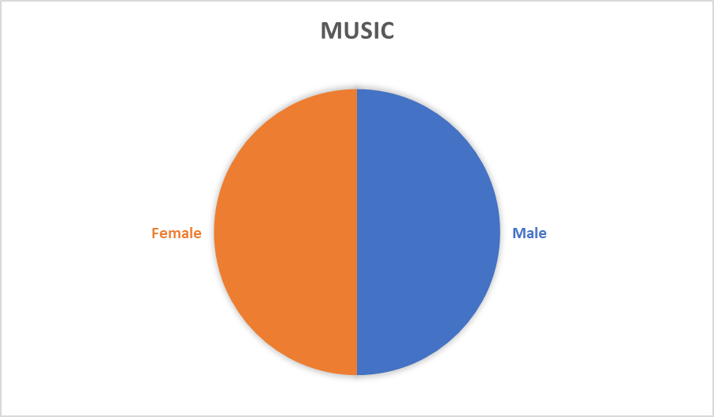

Performing Arts OVERALL

 |  | Performing Arts OVERALL Demographics | Ethnicity | Total | Average Total Score | Successful 1st Attempt | Successful 2nd Attempt
 |  |  | White | 35 (73%) | 42.0 | 30 (86%) | 5 (100%)
 |  |  | Hispanic/Latino | 10 (21%) | 39.7 | 8 (80%) | 2 (100%)
 |  |  | Black/African American | 2 (4%) | 43.0 | 2 (100%)
 |  |  | Asian | 1 (2%) | 48.0 | 1 (100%)
 |  |  | 2 or More Races | 0
 |  |  | Male | 20 (42%) | 40.9 | 18 (90%) | 2 (100%)
...

K-12 Dance
...
 |  |  |  | Break Down of Rubric Scores Recieved- Dance |  |  | Scores | Task 1 Rubrics | Task 2 Rubrics
 |  |  |  |  |  |  | # of G's

 | Dance Demographics | Ethnicity | Total | Average Total Score | Successful 1st Attempt | Successful 2nd Attempt
 |  | White | 2 (100%) | 40.5 | 2 (100%)
 |  | Hispanic/Latino | 0
 |  | Black/African American | 0
 |  | Asian | 0
 |  | 2 or More Races | 0
 |  | Male | 0
 |  | Female | 2 (100%) | 40.5 | 2 (100%)
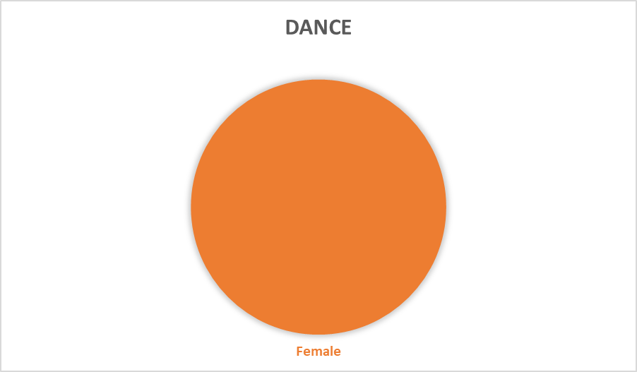
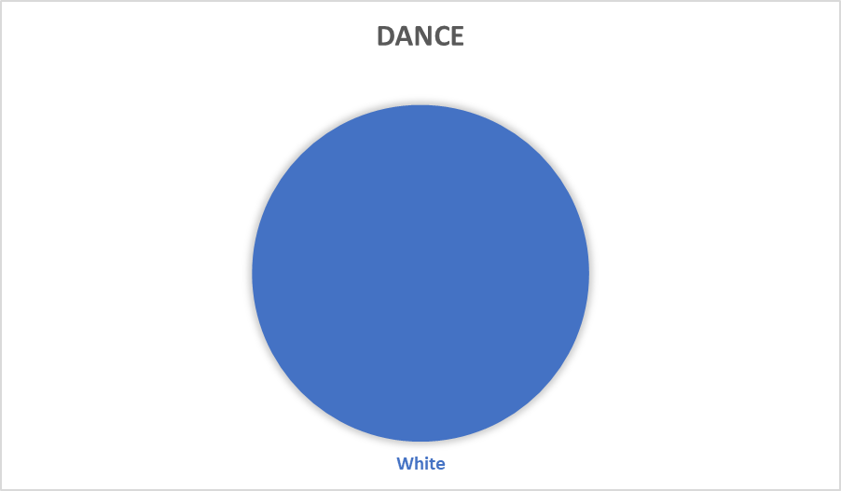

Performing Arts OVERALL

 | Performing Arts OVERALL Demographics | Ethnicity | Total | Average Total Score | Successful 1st Attempt | Successful 2nd Attempt
 |  | White | 35 (73%) | 42.0 | 30 (86%) | 5 (100%)
 |  | Hispanic/Latino | 10 (21%) | 39.7 | 8 (80%) | 2 (100%)
 |  | Black/African American | 2 (4%) | 43.0 | 2 (100%)
 |  | Asian | 1 (2%) | 48.0 | 1 (100%)
 |  | 2 or More Races | 0
...

K-12 Theatre
...
 | Theatre Demographics | Ethnicity | Total | Average Total Score | Successful 1st Attempt | Successful 2nd Attempt
 |  | White | 5 (83%) | 42.8 | 3 (60%) | 2 (100%)
 |  | Hispanic/Latino | 0
 |  | Black/African American | 0
 |  | Asian | 1 (17%) | 48.0 | 1 (100%)
 |  | 2 or More Races | 0
 |  | Male | 0
 |  | Female | 6 (100%) | 43.7 | 4 (67%) | 2(100%)

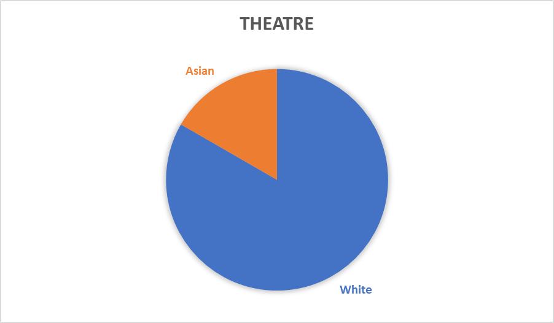
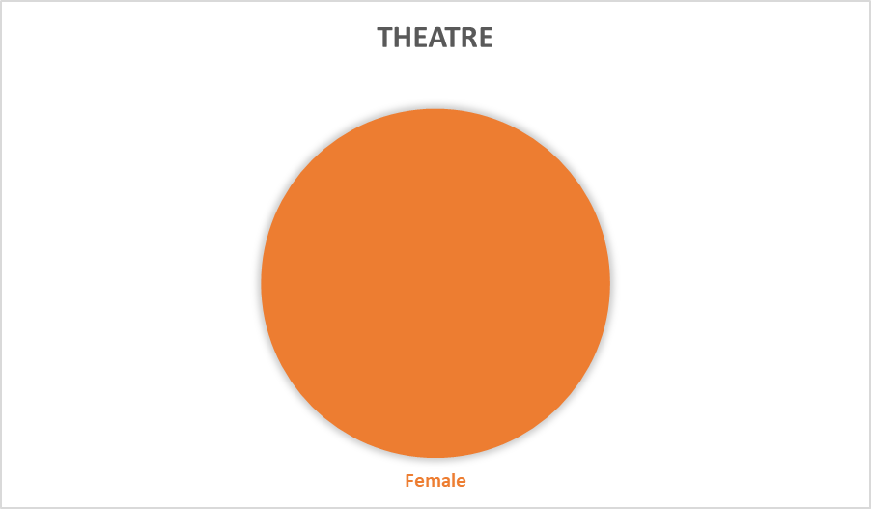

Performing Arts OVERALL

 | Performing Arts OVERALL Demographics | Ethnicity | Total | Average Total Score | Successful 1st Attempt | Successful 2nd Attempt
 |  | White | 35 (73%) | 42.0 | 30 (86%) | 5 (100%)
 |  | Hispanic/Latino | 10 (21%) | 39.7 | 8 (80%) | 2 (100%)
 |  | Black/African American | 2 (4%) | 43.0 | 2 (100%)
 |  | Asian | 1 (2%) | 48.0 | 1 (100%)
 |  | 2 or More Races | 0
 |  | Male | 20 (42%) | 40.9 | 18 (90%) | 2 (100%)
...

