EC-6
EC-6

Summary | 72 candidates submitted a portfolio (100% of submitted) were successful on their first submission. SFA Total Average Above State Average (SFA Average: 48.1) (State Average: 44.4) (National Average: 52.1) ● Range: 36-58 ● 99% scored 37 or above (set cut scores from other states range from 35 to 41; 37 is the most common cut score) Average Rubric Score: 2.7 0 (0% of submitted) did not submit a scorable portfolio on their first attempt 0 candidates did not submit a portfolio.

Comparison of Averages |  |  |  |  |  | Total Score | Task Scores |  |  |  | Task 1 Rubrics |  |  |  |  | Task 2 Rubrics |  |  |  |  | Task 3 Rubrics |  |  |  |  | Task 4 Rubrics
 |  |  |  |  |  |  | Task 1 | Task 2 | Task 3 | Task 4 | 1 | 2 | 3 | 4 | 5 | 6 | 7 | 8 | 9 | 10 | 11 | 12 | 13 | 14 | 15 | 16 | 17 | 18
 |  |  |  |  | SFA Avg. | 48.1 | 13.4 | 14.0 | 13.4 | 7.1 | 2.9 | 2.5 | 2.9 | 2.4 | 2.6 | 3.0 | 2.9 | 2.9 | 2.8 | 2.5 | 2.6 | 3.4 | 2.4 | 2.4 | 2.7 | 2.4 | 2.6 | 2.2
 |  |  |  |  | Texas Avg. | 44.4 | 12.2 | 13 | 12.3 | 6.6 | 2.5 | 2.4 | 2.8 | 2.4 | 2.2 | 3 | 2.6 | 2.7 | 2.4 | 2.4 | 2.4 | 3 | 2.2 | 2.2 | 2.6 | 2.2 | 2.4 | 2
 |  |  |  |  | National Avg. | 52.1 | 14.4 | 14.2 | 15 | 8.4 | 2.9 | 2.8 | 3.1 | 2.9 | 2.7 | 3 | 2.8 | 2.9 | 2.8 | 2.8 | 2.9 | 3.5 | 2.8 | 2.8 | 3 | 2.8 | 3 | 2.7
 |  | Avg. Total Score KEY: |  |  | Mean Above State & National Avg. |  | Mean Above State Avg. |  |  | Mean Above National Avg.

KEY: |  |  |  |  | Submission was Successful |  |  | Submission was unsuccessful/condition code was received |  |  |  |  | Total Score is below average set cut score in other states |  |  |  |  | Rubric Score of 2/2.5 was received (Rubrics are scored on a scale of 1-5 with 2 being the second lowest possible score) |  |  |  |  | Rubric Score of 1/1.5 was received (Rubrics are scored on a scale of 1-5 with 1 being the lowest possible score)

 | Score Date | Candidate Name | Gender | Ethnicity | Total Score | Task Scores |  |  |  | Task 1 Rubrics |  |  |  |  | Task 2 Rubrics |  |  |  |  | Task 3 Rubrics |  |  |  |  | Task 4 Rubrics
 |  |  |  |  |  | 1 | 2 | 3 | 4 | 1 | 2 | 3 | 4 | 5 | 6 | 7 | 8 | 9 | 10 | 11 | 12 | 13 | 14 | 15 | 16 | 17 | 18
 | 2023-04-27 | Ashy, Anna Alisabeth | F | White | 51 | 14 | 14 | 14 | 9 | 3 | 2 | 3 | 3 | 3 | 3 | 3 | 3 | 3 | 2 | 3 | 3 | 3 | 2 | 3 | 3 | 3 | 3
 | 2023-04-27 | Banda, Taylor Paige | F | Hispanic/Latino | 49 | 13 | 14 | 15 | 7 | 3 | 2 | 3 | 2 | 3 | 3 | 3 | 3 | 3 | 2 | 3 | 4 | 3 | 2 | 3 | 2 | 3 | 2
 | 2023-05-25 | Barnhart, Jordin Briann | F | White | 43 | 13.5 | 13 | 10.5 | 6 | 3 | 2.5 | 3 | 2 | 3 | 3 | 2.5 | 2.5 | 3 | 2 | 2 | 3 | 2 | 1.5 | 2 | 2 | 2 | 2
 | 2023-05-25 | Berlehner, Carey F | F | White | 55 | 15 | 15 | 16 | 8.5 | 3 | 3 | 3 | 3 | 3 | 3 | 3 | 3 | 3 | 3 | 3 | 4 | 3 | 2.5 | 3.5 | 3 | 2.5 | 3
 | 2023-05-25 | Bettencourt, Susannah Laine | F | White | 41 | 12 | 11 | 12 | 6 | 3 | 2 | 3 | 2 | 2 | 3 | 2 | 2 | 2 | 2 | 2 | 4 | 2 | 2 | 2 | 2 | 2 | 2
 | 2023-04-27 | Casserilla, Brenna Alexis | F | White | 54 | 13.5 | 14.5 | 16.5 | 9.5 | 3 | 2.5 | 3 | 3 | 2 | 3 | 3 | 3 | 3 | 2.5 | 3 | 4 | 3 | 3 | 3.5 | 3.5 | 3 | 3
 | 2023-04-27 | Castillo, Mary-Frances | F | Hispanic/Latino | 52 | 12.5 | 15 | 15.5 | 8.5 | 3 | 2 | 3 | 2.5 | 2 | 3 | 3 | 3 | 3 | 3 | 3 | 3.5 | 3 | 3 | 3 | 2.5 | 3 | 3
 | 2023-05-25 | Cheney, Isabella Elizabeth | F | Hispanic/Latino | 46 | 12 | 14 | 13 | 7 | 3 | 2 | 3 | 2 | 2 | 3 | 3 | 3 | 3 | 2 | 3 | 4 | 2 | 2 | 2 | 2 | 3 | 2
 | 2023-05-25 | Clark, Whitney Michelle | F | White | 45 | 12 | 14 | 13 | 6 | 3 | 2 | 3 | 2 | 2 | 3 | 3 | 3 | 3 | 2 | 2 | 4 | 2 | 2 | 3 | 3 | 2 | 1
 | 2023-05-11 | Cox, Katie Lanell | F | White | 53 | 15 | 16 | 15 | 7 | 3 | 3 | 4 | 2 | 3 | 3 | 3 | 3 | 4 | 3 | 3 | 3 | 3 | 3 | 3 | 2 | 3 | 2
 | 2023-05-11 | Cummings, Payton Layne | F | Two or more races | 54 | 13.5 | 15 | 16 | 9 | 3 | 2.5 | 3 | 2 | 3 | 3 | 3 | 3.5 | 3 | 2.5 | 3 | 4 | 3 | 3 | 3 | 3 | 3 | 3
 | 2023-04-27 | Davis, Lorin Stanley | F | White | 52 | 15 | 15 | 14 | 8 | 3 | 3 | 3 | 3 | 3 | 3 | 3 | 3 | 3 | 3 | 3 | 3 | 3 | 2 | 3 | 2 | 3 | 3
 | 2023-04-27 | Doan, Jamie Ruth | F | White | 50 | 12 | 14 | 15 | 9 | 2 | 3 | 3 | 2 | 2 | 3 | 3 | 3 | 3 | 2 | 3 | 4 | 2 | 3 | 3 | 3 | 3 | 3
 | 2023-04-27 | Dominy, Lindsey Ann | F | White | 57 | 16 | 15 | 17 | 9 | 3 | 3 | 4 | 3 | 3 | 3 | 3 | 3 | 3 | 3 | 4 | 4 | 3 | 3 | 3 | 3 | 3 | 3
 | 2023-04-27 | Ellis, Samantha Kelly | F | White | 40 | 13 | 13 | 11 | 3 | 3 | 2 | 3 | 2 | 3 | 3 | 3 | 3 | 2 | 2 | 2 | 3 | 2 | 2 | 2 | D | 2 | 1
 | 2023-05-11 | Emory, Peyton Lauren | F | White | 48 | 13 | 14 | 15 | 6 | 3 | 2 | 3 | 2 | 3 | 3 | 3 | 3 | 3 | 2 | 3 | 4 | 2 | 3 | 3 | 2 | 2 | 2
 | 2023-05-25 | Ferris-Hughes, Zoe Yang | F | Asian | 47 | 14 | 14 | 13 | 6 | 3 | 3 | 3 | 2 | 3 | 3 | 3 | 3 | 2 | 3 | 2 | 4 | 2 | 2 | 3 | 2 | 3 | 1
 | 2023-05-25 | Franco, Melissa Cardie | F | Hispanic/Latino | 42 | 12 | 12 | 12 | 6 | 2 | 3 | 3 | 2 | 2 | 3 | 2 | 3 | 2 | 2 | 2 | 3 | 3 | 2 | 2 | 2 | 2 | 2
 | 2023-04-27 | Gill, Teree Brayden | F | White | 40 | 13 | 13 | 8 | 6 | 3 | 2 | 3 | 2 | 3 | 3 | 3 | 2 | 3 | 2 | 2 | 1 | 1 | 2 | 2 | 2 | 2 | 2
 | 2023-05-11 | Gress, Kaylin Nicole | F | White | 50 | 16 | 14 | 13 | 7 | 3 | 4 | 3 | 3 | 3 | 3 | 3 | 2 | 3 | 3 | 2 | 3 | 3 | 2 | 3 | 2 | 3 | 2
 | 2023-05-11 | Guerre, Mary Kathryn | F | White | 49 | 14 | 14 | 14 | 7 | 3 | 3 | 3 | 2 | 3 | 3 | 3 | 3 | 3 | 2 | 3 | 4 | 2 | 2 | 3 | 3 | 2 | 2
 | 2023-05-11 | Guffey, Samantha Michelle | F | White | 43 | 12 | 9 | 15 | 7 | 3 | 2 | 3 | 2 | 2 | 2 | 2 | 1 | 2 | 2 | 3 | 4 | 3 | 2 | 3 | 2 | 3 | 2
 | 2023-04-27 | Hackworth, Emily Faith | F | White | 55 | 15 | 16 | 16 | 8 | 3 | 3 | 3 | 3 | 3 | 3 | 3 | 4 | 4 | 2 | 3 | 4 | 3 | 3 | 3 | 3 | 3 | 2
 | 2023-05-11 | Hampton, Jamison Danielle | F | White | 45 | 13 | 14 | 11 | 7 | 3 | 2 | 3 | 2 | 3 | 3 | 3 | 3 | 3 | 2 | 3 | 3 | 2 | 1 | 2 | 2 | 2 | 3
 | 2023-05-25 | Heim, Tiffany Michele | F | White | 50 | 13 | 15 | 14 | 8 | 3 | 2 | 3 | 2 | 3 | 3 | 3 | 3 | 3 | 3 | 2 | 4 | 3 | 3 | 2 | 2 | 3 | 3
 | 2023-04-27 | Hernandez, Laurie Michelle | F | White | 53 | 14.5 | 14.5 | 14.5 | 9.5 | 3 | 3 | 3 | 3 | 2.5 | 3 | 3 | 3 | 2.5 | 3 | 3 | 3 | 3 | 2.5 | 3 | 3 | 3.5 | 3
 | 2023-05-25 | Holmes, Megan Raye | F | White | 43 | 12 | 12 | 12 | 7 | 2 | 2 | 3 | 3 | 2 | 3 | 2 | 3 | 2 | 2 | 2 | 4 | 2 | 2 | 2 | 2 | 3 | 2
 | 2023-04-27 | Horchler, Julie Lynn | F | White | 48 | 14 | 14 | 12 | 8 | 3 | 2 | 3 | 3 | 3 | 3 | 3 | 3 | 3 | 2 | 2 | 3 | 2 | 3 | 2 | 3 | 3 | 2
...
 |  | Demographics | Ethnicity | Total | Average Total Score | Successful 1st Attempt | Successful 2nd Attempt
 |  |  | White | 54 (75%) | 48.6 | 54 (100%)
 |  |  | Hispanic/Latino | 11 (15%) | 47.5 | 11 (100%)
 |  |  | Black/ African American | 4 (6%) | 41.5 | 4 (100%)
 |  |  | Asian | 1 (1%) | 47 | 1 (100%)
 |  |  | 2 or More Races | 2 (3%) | 50.5 | 2 (100%)
 |  |  | Male | 1 (1%) | 44 | 1 (100%)
 |  |  | Female | 71 (99%) | 48.2 | 71 (100%)

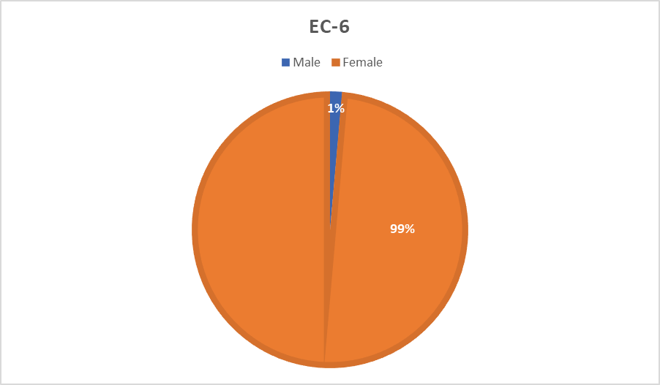

MLG
...
 |  | Demographics | Ethnicity | Total | Average Total Score | Successful 1st Attempt | Successful 2nd Attempt
 |  |  | White | 6 (75%) | 43.7 | 6 (100%)
 |  |  | Hispanic/Latino
 |  |  | Black/ African American
 |  |  | Asian
 |  |  | 2 or More Races | 2 (25%) | 39.5 | 2 (100%)
 |  |  | Male
 |  |  | Female | 8 (100%) | 42.6 | 8 (100%)
 |  | 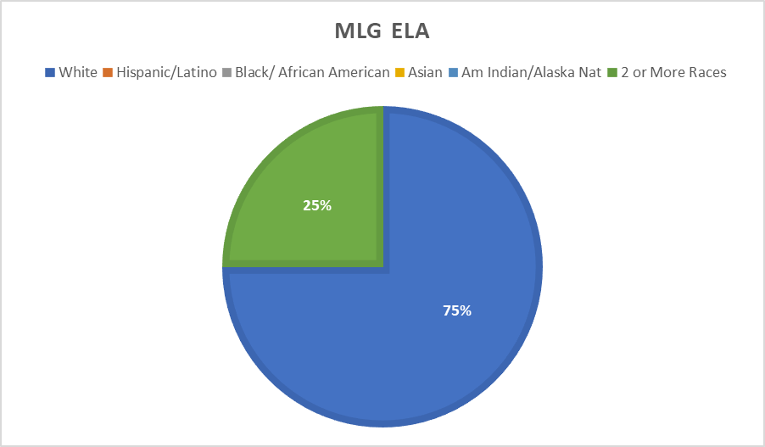 |  |  | 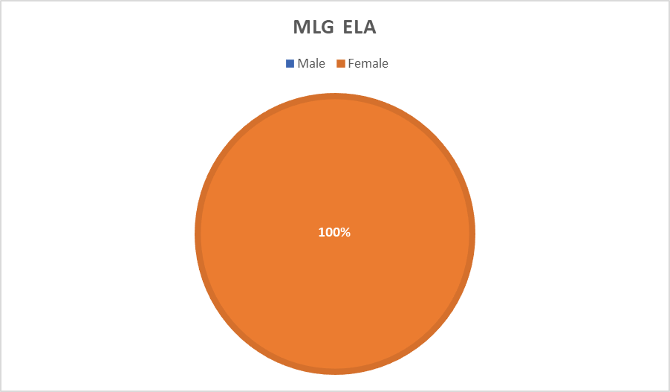

Summary- Math | 1 candidates submitted a portfolio 1 (100% of submitted) were successful on their first submission. SFA Total Average Above State Average (SFA Average: 43) (Texas Average: 37.8) (National Average: 43.7) ● Range: 43 ● 100% scored 37 or above (set cut scores from other states range from 35 to 41; 37 is the most common cut score) Average Rubric Score: 2.9 0 (0% of submitted) did not submit a scorable portfolio on their first attempt. 0 candidates did not submit a portfolio.

Comparison of Averages- Math |  |  |  |  | Total Score | Task Scores |  |  | Task 1 Rubrics
 |  |  |  |  |  | Task 1 | Task 2 | Task 3 | 1 | 2 | 3
 |  |  |  | SFA Avg. | 43 | 14 | 14 | 15 | 3 | 3 | 3
 |  |  |  | Texas Avg. | 37.8 | 12.7 | 12.5 | 12.2 | 2.6 | 2.7 | 3.1
 |  |  |  | National Avg. | 43.7 | 14.4 | 14.1 | 15.1 | 3 | 2.8 | 3.2
 |  | Avg. Total Score KEY: |  |  | Mean Above State & National Avg. |  | Mean Above State Avg. |  |  | Mean Above National Avg.
...
 |  | Demographics | Ethnicity | Total | Average Total Score | Successful 1st Attempt | Successful 2nd Attempt
 |  |  | White
 |  |  | Hispanic/Latino
 |  |  | Black/African American
 |  |  | Asian
 |  |  | 2 or More Races | 1 (100%) | 43 | 1 (100%)
 |  |  | Male
 |  |  | Female | 1 (100%) | 43 | 1 (100%)
 | 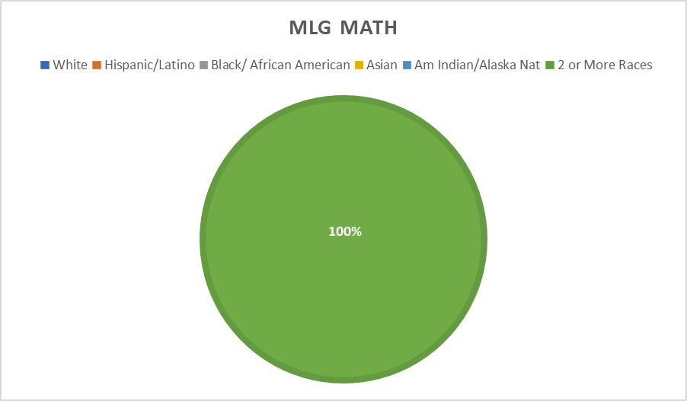 |  |  | 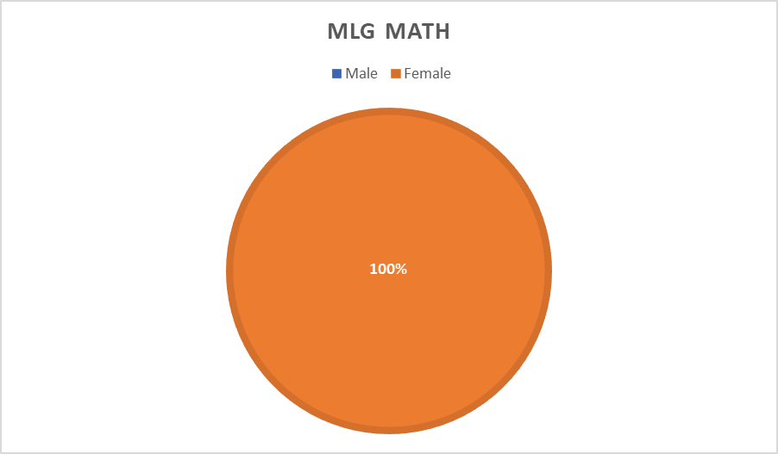

Summary- History | 3 candidates submitted a portfolio 3 (100% of submitted) were successful on their first submission. (SFA Average: 42.3) (National Average: 44.6) ● Range: 37-45 ● 100% scored 37 or above (set cut scores from other states range from 35 to 41; 37 is the most common cut score) Average Rubric Score: 2.8 0(0% of submitted) did not submit a scorable portfolio on their first attempt. 0 candidates did not submit a portfolio.

Comparison of Averages- History |  |  |  |  | Total Score | Task Scores |  |  | Task 1 Rubrics
 |  |  |  |  |  | Task 1 | Task 2 | Task 3 | 1 | 2
 |  |  |  | SFA Avg. | 42.3 | 15.0 | 13.5 | 13.8 | 2.7 | 3.0
 |  |  |  | Texas Avg. | Low N (8)
 |  |  |  | National Avg. | 44.6 | 15.4 | 14.3 | 14.9 | 3.1 | 3.1
...
 |  | Demographics | Ethnicity | Total | Average Total Score | Successful 1st Attempt | Successful 2nd Attempt
 |  |  | White | 2 (67%) | 41
 |  |  | Hispanic/Latino
 |  |  | Black/African American | 1 (33%) | 45.0
 |  |  | Asian
 |  |  | 2 or More Races
 |  |  | Male | 3 (100%) | 42.3 | 3 (100%)
 |  |  | Female
 |  | 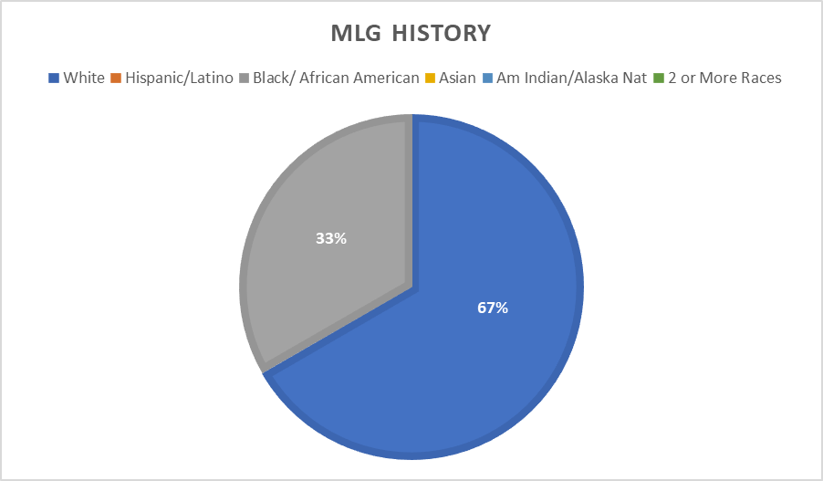 |  |  | 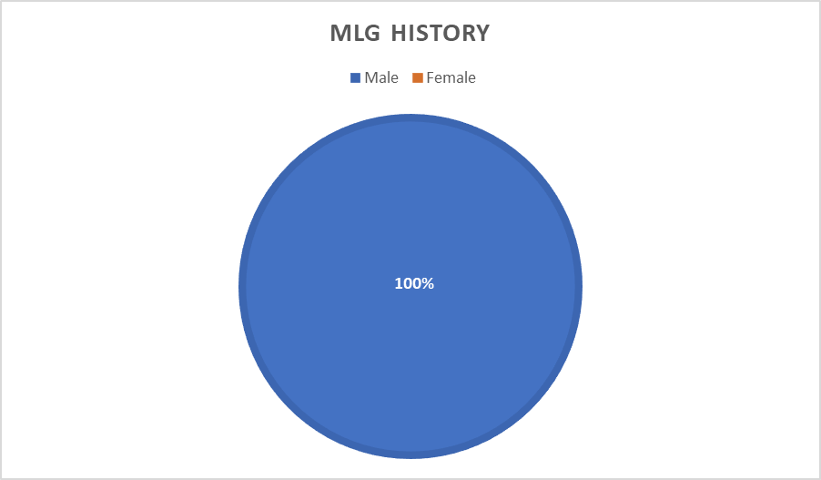

Summary- Science | 2 candidate submitted a portfolio 2 (100% of submitted) were successful on their first submission. (SFA Average: 41) (National Average: 44.4) ● Range: 33-49 ● 50% scored 37 or above (set cut scores from other states range from 35 to 41; 37 is the most common cut score) Average Rubric Score: 2.7 0(0% of submitted) did not submit a scorable portfolio on their first attempt. 0 candidates did not submit a portfolio.

Comparison of Averages- Science |  |  |  |  | Total Score | Task Scores |  |  | Task 1 Rubrics
 |  |  |  |  |  | Task 1 | Task 2 | Task 3 | 1 | 2 | 3
 |  |  |  | SFA Avg. | 41 | 15.5 | 13.5 | 12 | 3 | 2.5 | 3.5
 |  |  |  | Texas Avg. | Low N (9)
 |  |  |  | National Avg. | 44.4 | 15.1 | 14.4 | 14.8 | 3.1 | 2.9 | 3.2
 |  | Avg. Total Score KEY: |  |  | Mean Above State & National Avg. |  | Mean Above State Avg. |  |  | Mean Above National Avg.
...
 |  | Demographics | Ethnicity | Total | Average Total Score | Successful 1st Attempt | Successful 2nd Attempt
 |  |  | White | 2 (100%) | 41 | 2 (100%)
 |  |  | Hispanic/Latino
 |  |  | Black/African American
 |  |  | Asian
 |  |  | 2 or More Races
 |  |  | Male
 |  |  | Female | 2 (100%) | 41 | 2 (100%)
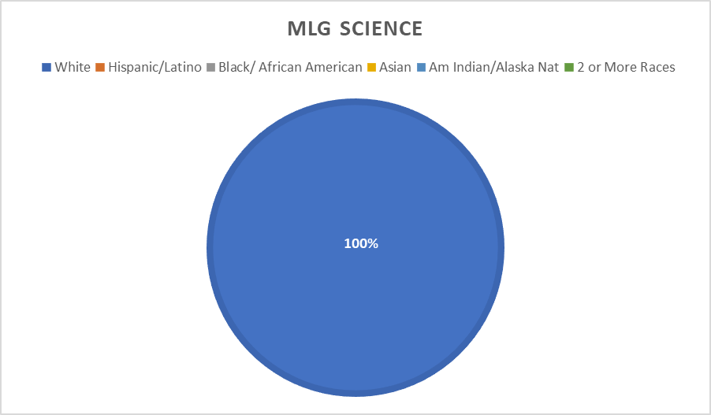
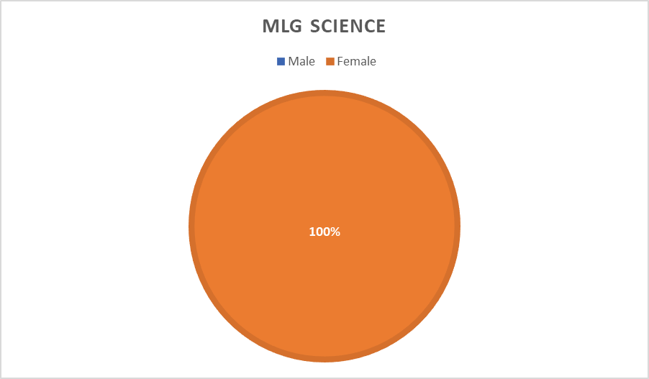

Agricultural Education
...
Demographics | Ethnicity | Total | Average Total Score | Successful 1st Attempt | Successful 2nd Attempt
 | White | 3 (100%) | 54.0 | 3 (100%)
 | Hispanic/Latino
 | Black/African American
 | Asian
 | 2 or More Races
 | Male
 | Female | 3 (100%) | 54.0 | 3 (100%)

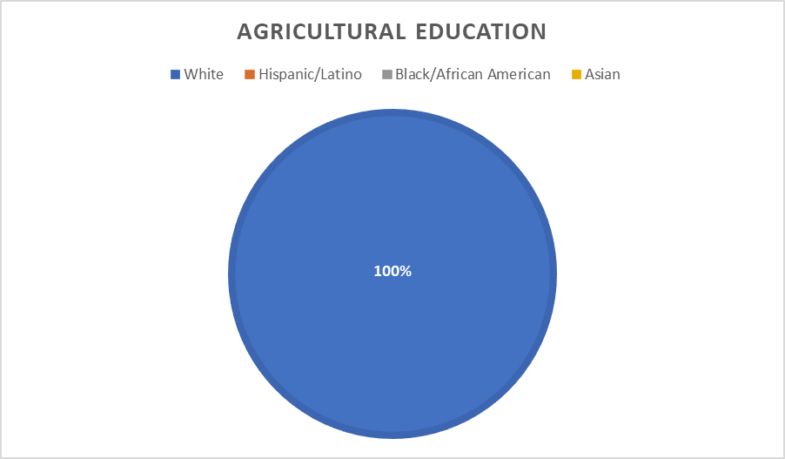
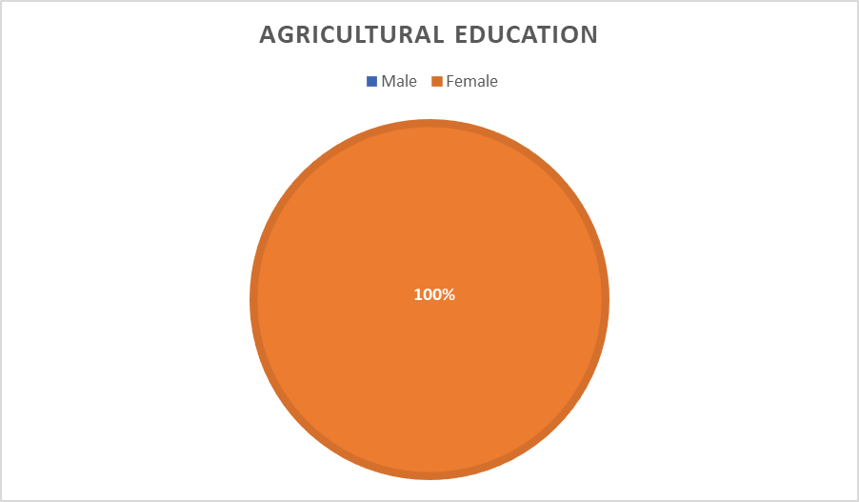

Visual Arts
...
Demographics | Ethnicity | Total | Average Total Score | Successful 1st Attempt | Successful 2nd Attempt
 | White | 2 (67%) | 45 | 2 (100%)
 | Hispanic/Latino | 1 (33%) | 43 | 1 (100%)
 | Black/ African American
 | Asian
 | 2 or More Races
 | Male
 | Female | 3 (100%) | 44.3 | 3 (100%)

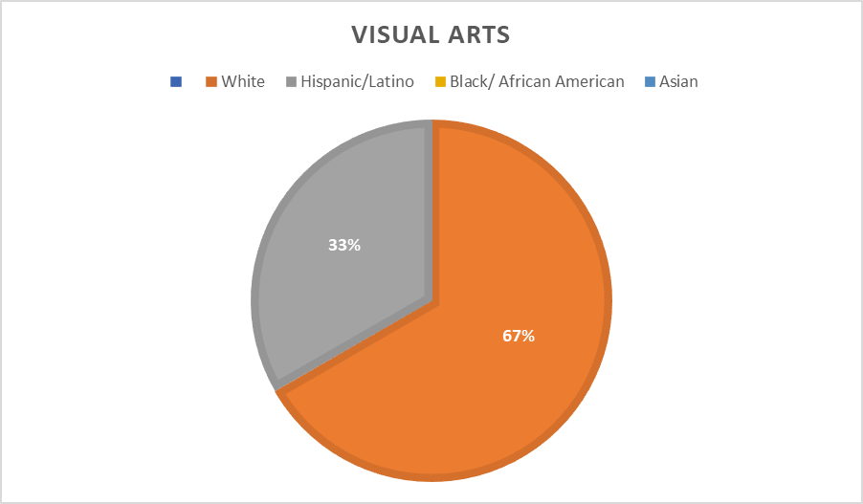
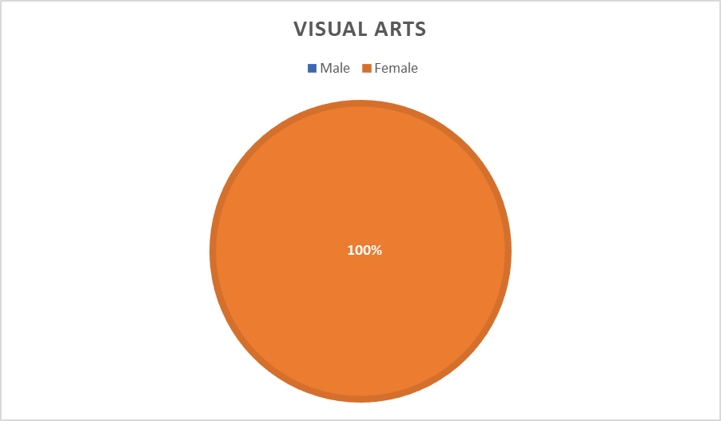

K-12 Music
...
Music Demographics | Ethnicity | Total | Average Total Score | Successful 1st Attempt | Successful 2nd Attempt
 | White | 14 (48%) | 41.6 | 14 (100%)
 | Hispanic/Latino | 12 (41%) | 39.1 | 12 (100%)
 | Black/African American | 1 (4%) | 47.0
 | Asian
 | Am Indian/Alaska Nat | 1 (4%) | N/A | 0 (0%) | 0 (0%)
 | 2 or More Races | 1 (3%) | 36.0 | 1 (100%)
 | Male | 13 (46%) | 38.6 | 12 (92%) | 0 (0%)
 | Female | 15 (54%) | 42.2 | 15 (100%)

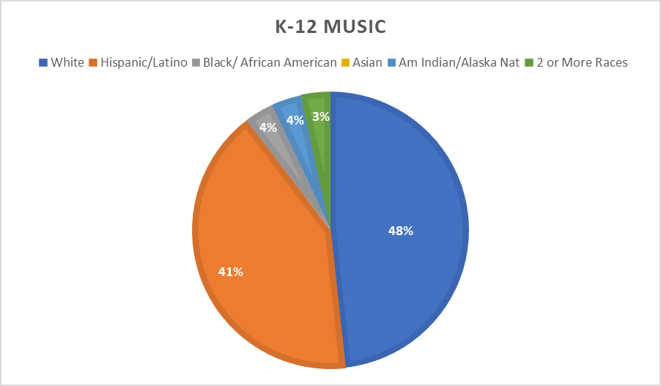
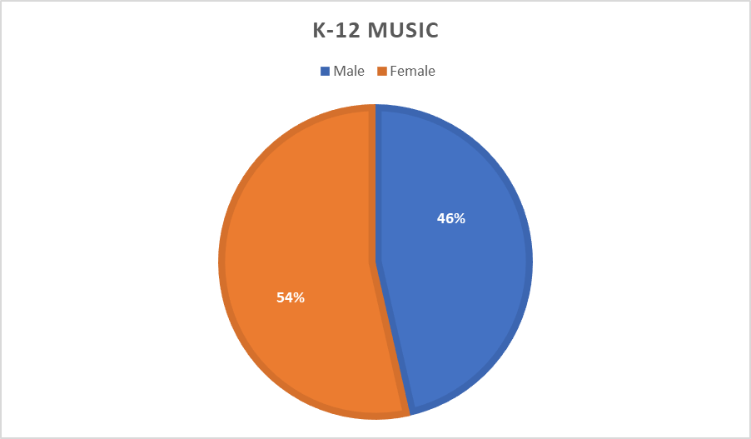

K-12 Dance
...
Dance Demographics | Ethnicity | Total | Average Total Score | Successful 1st Attempt | Successful 2nd Attempt
 | White
 | Hispanic/Latino | 1 (50%) | 41.0 | 1 (100%)
 | Black/African American | 1 (50%) | 39 | 1 (100%)
 | Asian
 | 2 or More Races
 | Male
 | Female | 2 (100%) | 40.0 | 2 (100%)

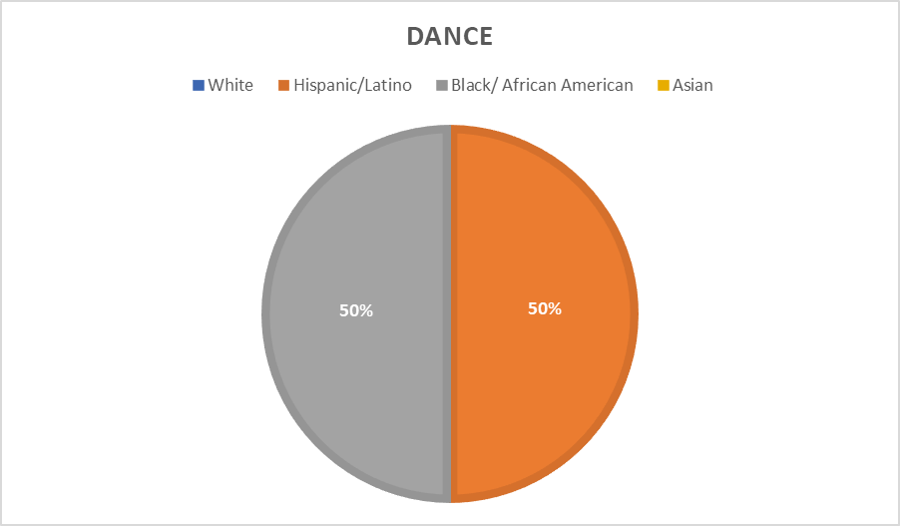
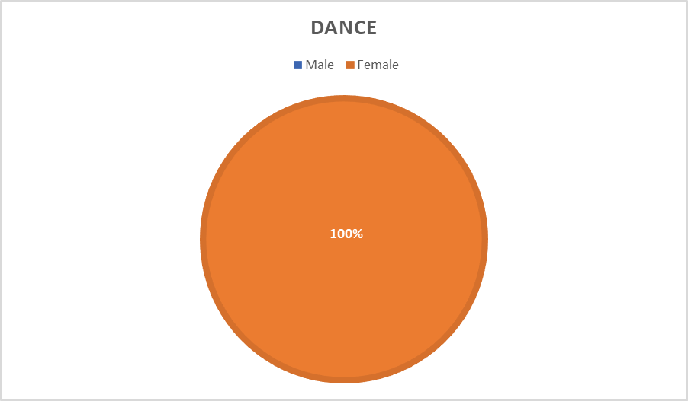

K-12 Theatre
...
Theatre Demographics | Ethnicity | Total | Average Total Score | Successful 1st Attempt | Successful 2nd Attempt
 | White | 4 (80%) | 43.8 | 4 (100%)
 | Hispanic/Latino | 1 (20%) | 45.0 | 1 (100%)
 | Black/African American
 | Asian
 | 2 or More Races
 | Male | 1 (20%) | 43.0 | 1 (100%)
 | Female | 4 (80%) | 44.3 | 4 (100%)

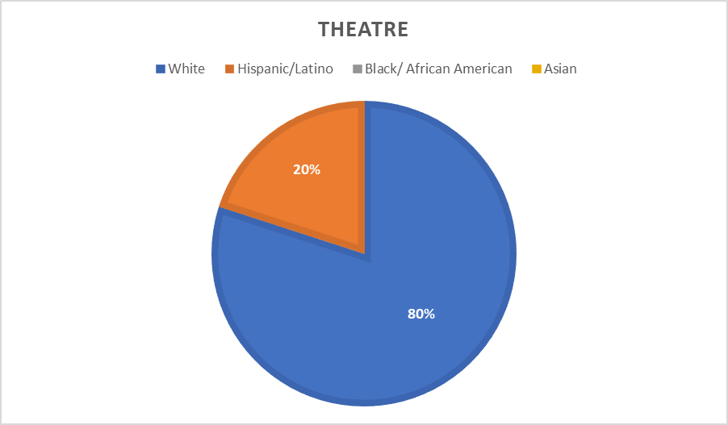
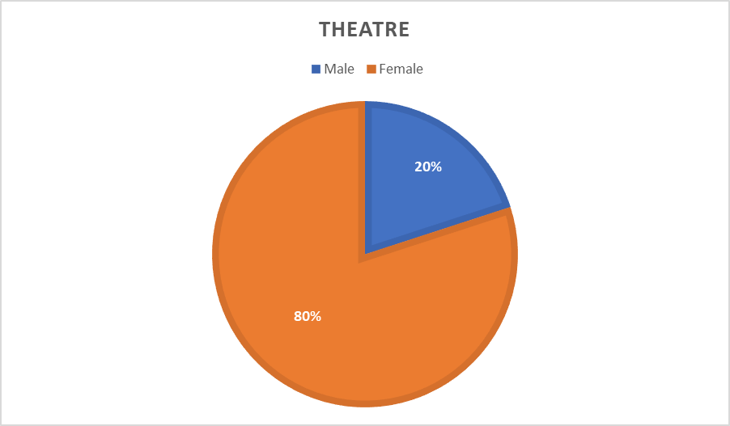

Secondary ELA
...
Demographics | Ethnicity | Total | Average Total Score | Successful 1st Attempt | Successful 2nd Attempt
 | White | 9 (100%) | 42.3 | 9 (100%)
 | Hispanic/Latino
 | Black/African American
 | Asian
 | 2 or More Races
 | Male | 3 (33%) | 37.0 | 3 (100%)
 | Female | 6 (67%) | 43.9 | 6 (100%)

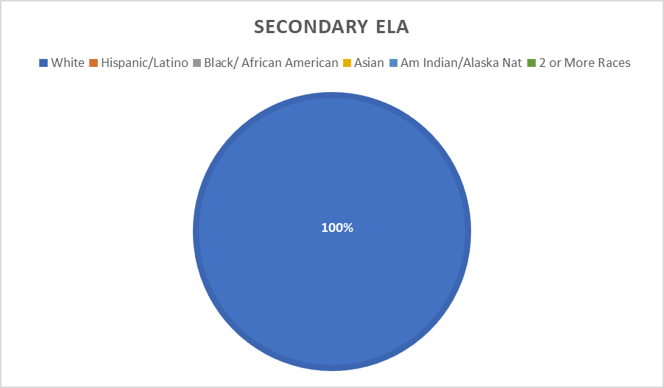
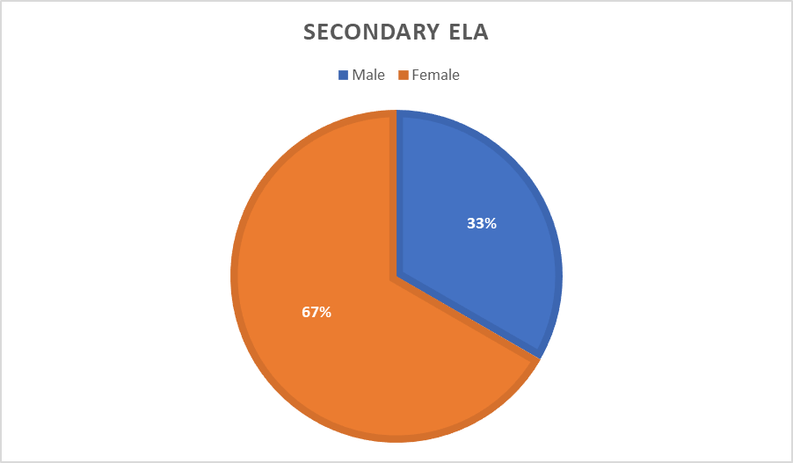

Secondary HSS
...
Demographics | Ethnicity | Total | Average Total Score | Successful 1st Attempt | Successful 2nd Attempt
 | White | 4 (80%) | 39 | 3 (75%) | 1 (100%)
 | Hispanic/Latino | 1 (20%) | 44 | 1 (100%)
 | Black/African American
 | Asian
 | 2 or More Races
 | Male | 4 (80%) | 39.3 | 3 (75%) | 1 (100%)
 | Female | 1 (20%) | 43 | 1 (100%)

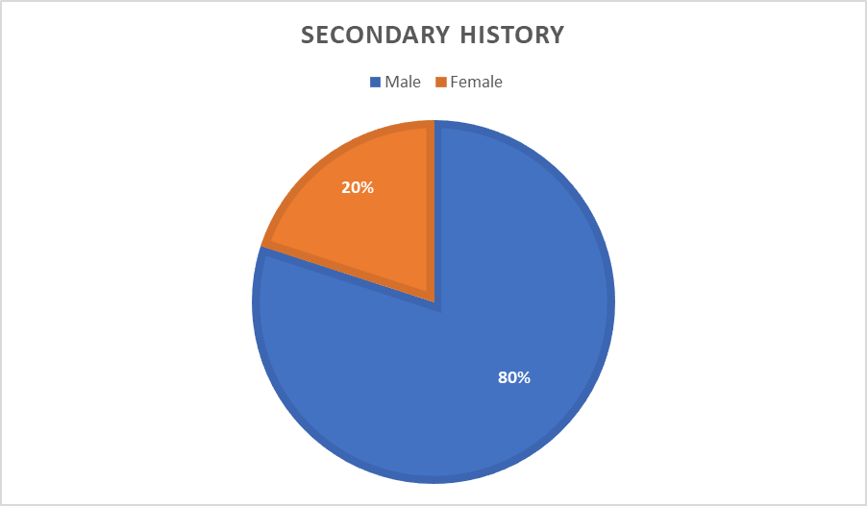

Secondary Mathematics
...
Demographics | Ethnicity | Total | Average Total Score | Successful 1st Attempt | Successful 2nd Attempt
 | White | 3 (60%) | 32 | 2 (63%) | 1 (100%)
 | Hispanic/Latino
 | Black/African American | 1 (20%) | 33 | 1 (100%)
 | Asian
 | 2 or More Races | 1 (20%) | 32 | 1 (100%)
 | Male
 | Female | 5 (100%) | 32.2 | 4 (80%) | 1 (100%)

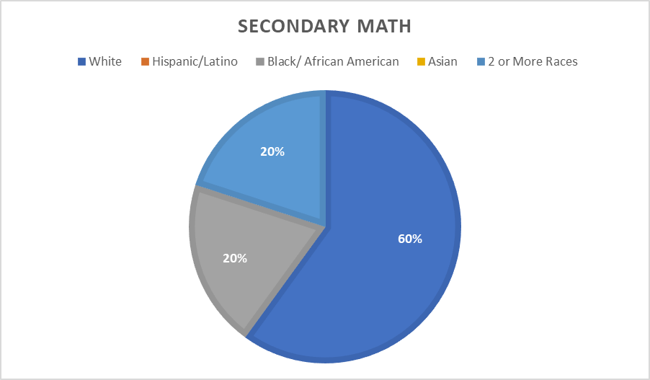
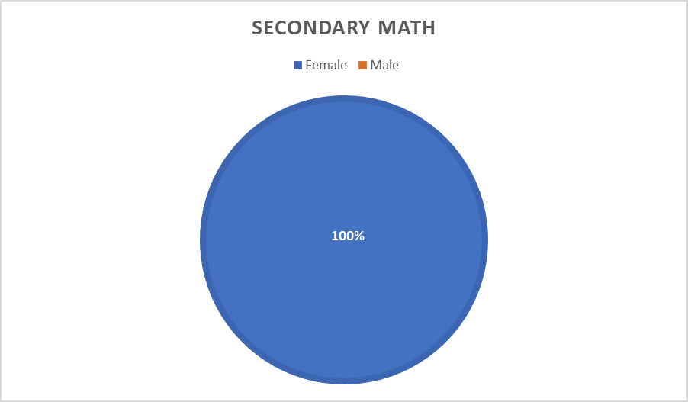

Family and Cons Sci
...
Demographics | Ethnicity | Total | Average Total Score | Successful 1st Attempt | Successful 2nd Attempt
 | White | 2 (67%) | 45.5 | 2 (100%)
 | Hispanic/Latino
 | Black/ African American | 1 (33%) | 43.0 | 1 (100%)
 | Asian
 | 2 or More Races
 | Male
 | Female | 3 (100%) | 44.7 | 3 (100%

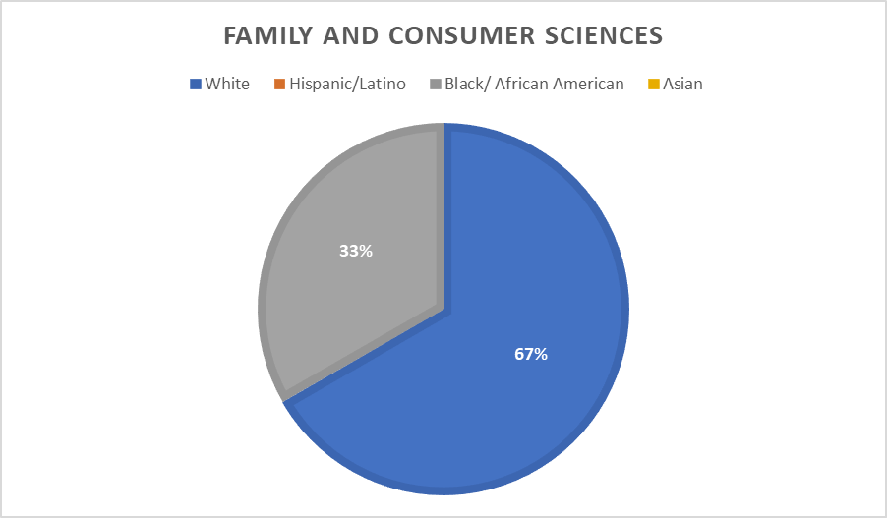
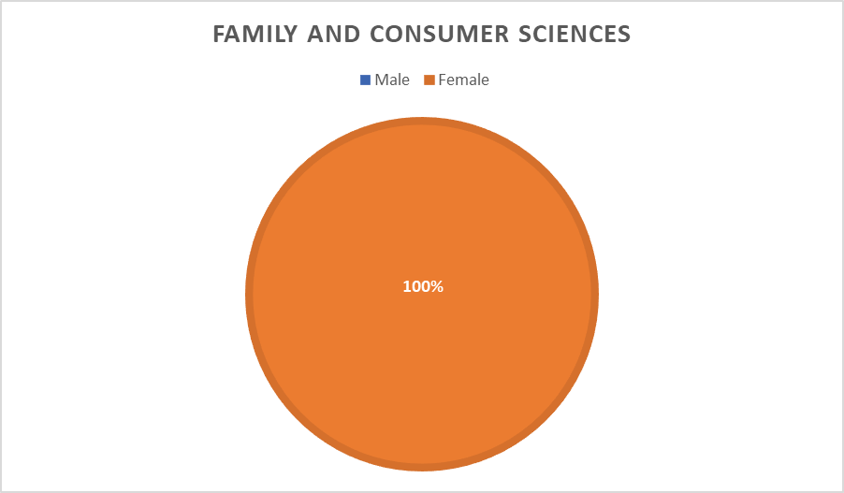

K-12 Phys Ed
...
Demographics | Ethnicity | Total | Average Total Score | Successful 1st Attempt | Successful 2nd Attempt
 | White | 8 (50%) | 37.1 | 8 (100%)
 | Hispanic/Latino | 4 (25%) | 37.8 | 4 (100%)
 | Black/African American | 3 (19%) | 39.5 | 2 (67%)
 | Asian
 | 2 or More Races | 1 (6%) | 39.0 | 1 (100%)
 | Male | 10 (62%) | 38.5 | 10 (100%)
 | Female | 6 (38%) | 36.2 | 5 (83%)

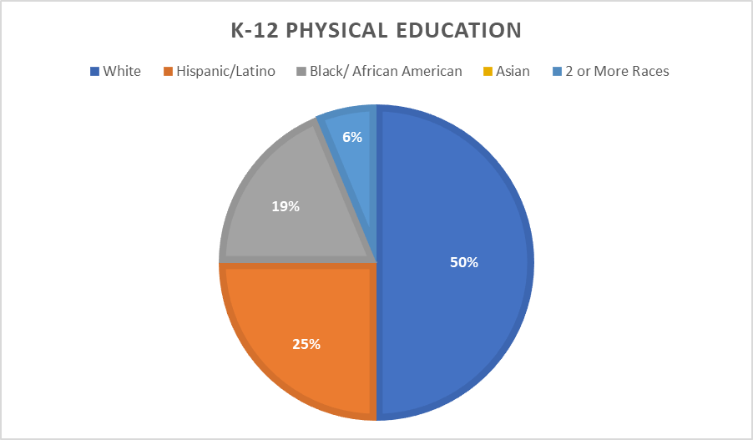
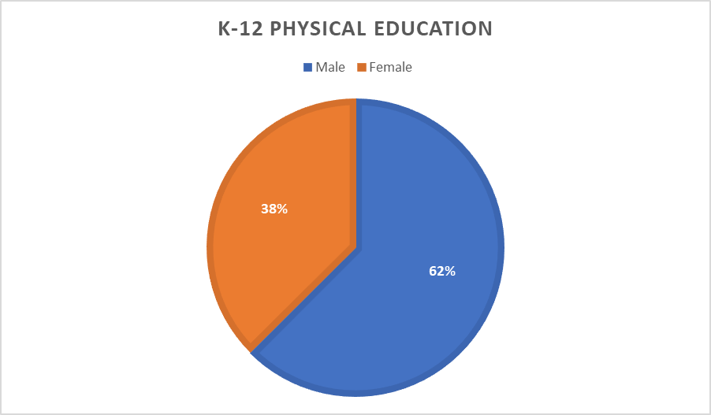

Secondary Science
...
Demographics | Ethnicity | Total | Average Total Score | Successful 1st Attempt | Successful 2nd Attempt
 | White | 4 (100%) | 37.3 | 3 (75%)
 | Hispanic/Latino
 | Black/African American
 | Asian
 | 2 or More Races
 | Male | 1 (25%) | 33 | 1 (100%)
 | Female | 3 (75%) | 39.5 | 2 (67%)

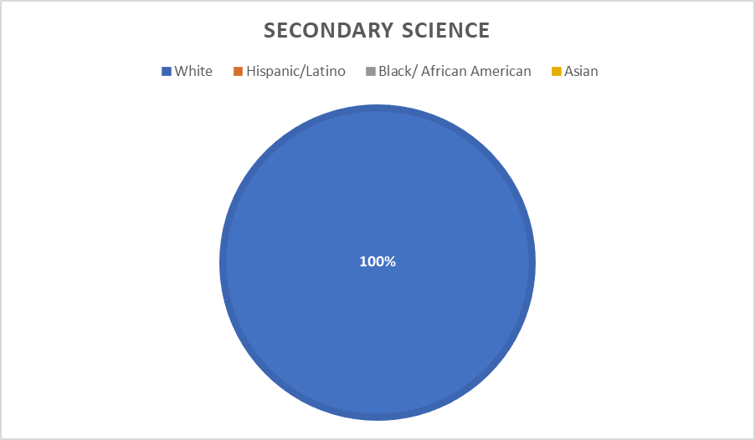
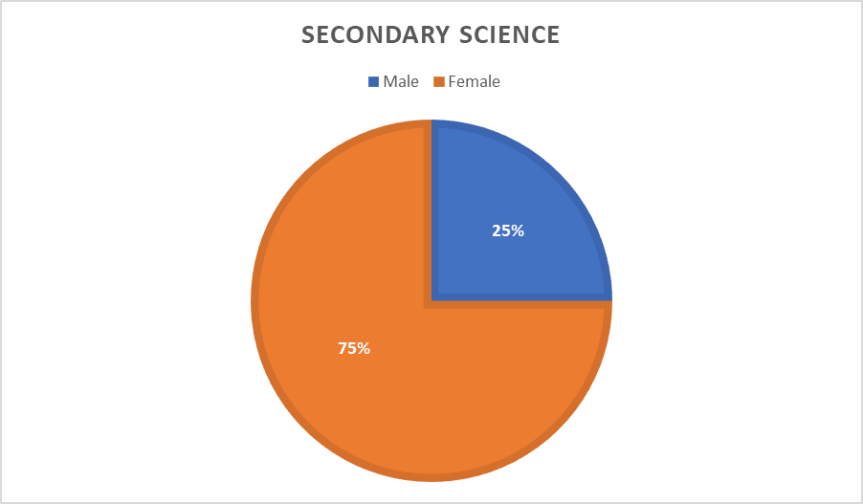

Special Education
...
Demographics | Ethnicity | Total | Average Total Score | Successful 1st Attempt | Successful 2nd Attempt
 | White | 8 (73%) | 39.1 | 8 (100%)
 | Hispanic/Latino | 2 (18%) | 41.0 | 2 (100%)
 | Black/African American
 | Asian
 | 2 or More Races | 1 (9%) | 41.0 | 1 (100%)
 | Male | 1 (9%) | 39.0 | 1 (100%)
 | Female | 10 (91%) | 39.7 | 10 (100%)

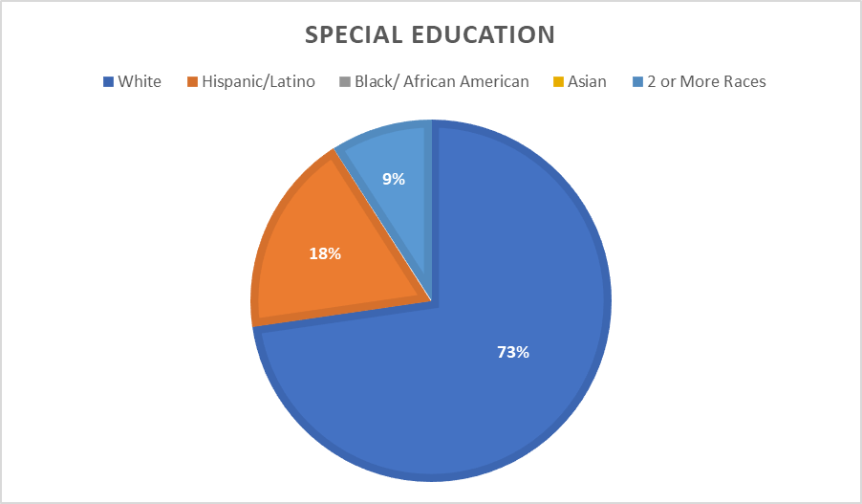
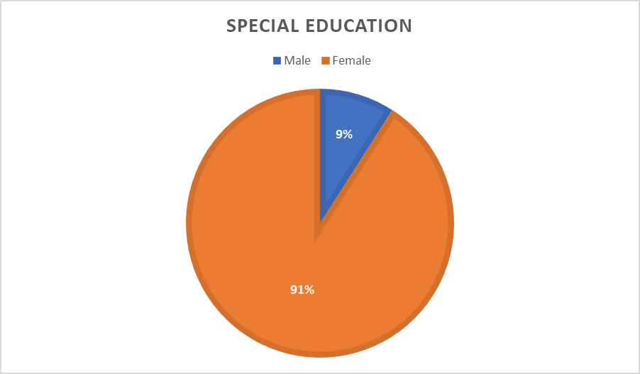

DHH
...
Demographics | Ethnicity | Total | Average Total Score | Successful 1st Attempt | Successful 2nd Attempt
 | White | 7 (64%) | 42.3 | 7 (100%)
 | Hispanic/Latino | 1 (9%) | 49.0 | 1 (100%)
 | Black/African American
 | Asian
 | Am Indian/Alaska Nat | 1 (9%) | 47.0 | 1 (100%)
 | 2 or More Races | 2 (18%) | 43.0 | 2 (100%)
 | Male | 1 (9%) | 39.0 | 1 (100%)
 | Female | 10 (91%) | 43.9 | 10 (100%)

